ASR - share buyback
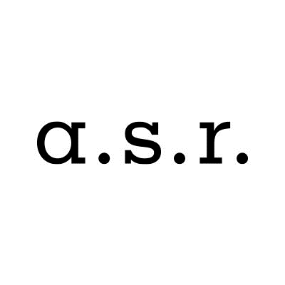

ASR Nederland N.V. share buyback program

Share buyback details
Share buyback program |  |  | 7,500,000
Start date |  |  | 19-Jan-21
Percentage of programme completed as of 28 January 2021 |  |  | 100.0%

Trade date | Number of shares repurchased | Average purchase price | Settlement amount

Total | 225,411 | EUR 33.27 | EUR 7,499,994.81

Total 19 Jan / 22 Jan | 86,600 | EUR 34.20 | EUR 2,961,310.55
19-Jan-21 | 21,600 | EUR 34.23 | EUR 739,373.42
20-Jan-21 | 21,500 | EUR 34.33 | EUR 738,055.35
21-Jan-21 | 21,500 | EUR 34.27 | EUR 736,900.46
22-Jan-21 | 22,000 | EUR 33.95 | EUR 746,981.31

Total 25 Jan / 28 Jan | 138,811 | EUR 32.70 | EUR 4,538,684.26
25-Jan-21 | 22,000 | EUR 33.49 | EUR 736,696.84
26-Jan-21 | 23,000 | EUR 32.93 | EUR 757,368.89
27-Jan-21 | 58,000 | EUR 32.51 | EUR 1,885,415.57
28-Jan-21 | 35,811 | EUR 32.37 | EUR 1,159,202.97

